Timeline
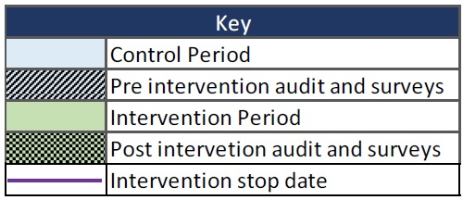
Order |  | Number of Months in the Control | Number of Months in the Intervention | 8-Aug-16 | Sep-16 | Oct-16 | Nov-16 | Dec-16 | Jan-17 | Feb-17 | Mar-17 | Apr-17 | May-17 | Jun-17 | Jul-17 | Aug-17 | Sep-17 | Oct-17 | Nov-17 | Dec-17 | Jan-18 | Feb-18 | Mar-18 | Apr-18 | May-18 | Jun-18 | Jul-18 | Aug-18 | Sep-18 | Oct-18 | Nov-18 | Dec-18 | Jan-19 | Feb-19 | Mar-19 | Apr-19 | May-19 | Jun-19 | Jul-19
 | Gold Coast University Hospital | 4 | 32
1st | Logan Hospital | 4 | 32
 | Ipswich Hospital | 4 | 32
 | Nepean Hospital | 8 | 28
2nd | Liverpool Hospital | 8 | 28
 | Canberra Hospital | 8 | 28
 | Monash Medical Centre | 12 | 24
3rd | Dandenong Hospital | 12 | 24
 | Casey Hospital | 12 | 24
 | Sunshine Hospital | 12 | 24
 | Royal Prince Alfred Hospital | 16 | 20
4th | Royal Hospital for Women | 16 | 20
 | Royal North Shore Hospital | 16 | 20
 | Mater Mother's Private Hospital | 20 | 16
5th | Mater Mother's Public Hospital | 20 | 16
 | Royal Brisbane and Women's Hospital | 20 | 16
 | Auckland Hospital | 24 | 12
6th | Christchurch Hospital | 24 | 12
 | Middlemore Hospital | 24 | 12
 | Royal Women's Hospital Melbourne | 28 | 8
7th | Mercy Hospital for Women | 28 | 8
 | Northern Hospital | 28 | 8
 | Townsville Hospital | 32 | 4
 | Nambour Hospital | 32 | 4
8th | Cairns Base Hospital | 32 | 4
 | Royal Darwin Hospital | 32 | 4
 | Women's and Childrens Hospital | 32 | 4

